Traceability Diagram
This sheet is for information only, do not modify

Business attributes (requirements) of web applications matched with security attributes and with ASVS Security Domains

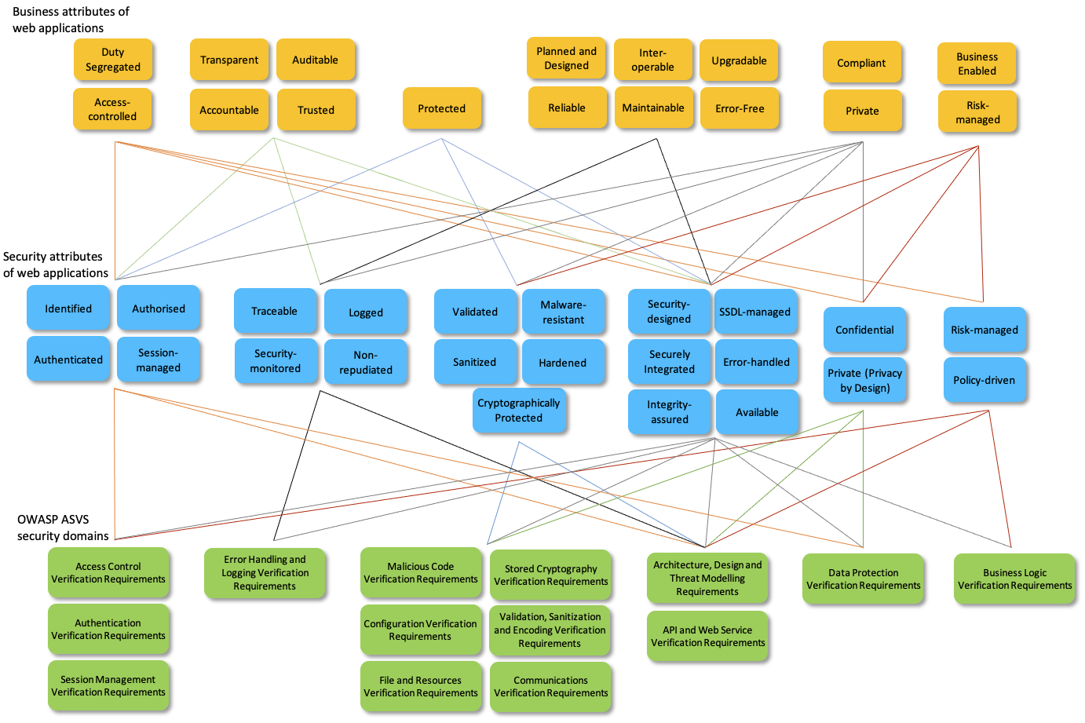

 | Contextual Architecture/Business View

 | Conceptual Architecture/Architect's View

 | Logical Architecture/Designer's View

